KKO
KAJIAN KELAYAKAN OPERASI

DAYA LAMA |  |  |  | DAYA BARU
Nama Pelanggan | : | PERUM GAJAH MADA |  | Nama Pelanggan | : | PERUM GAJAH MADA
Daya Lama (VA) | : | 0 |  | Daya Baru (VA) | : | 7800
Jumlah Fasa | : | 1 | * | Jumlah Fasa | : | 1
Tegangan Sekunder Pengukuran rata-rata (Fasa-Netral) (V) | : | 220 | * | Tegangan Sekunder Pengukuran rata-rata (Fasa-Netral) (V) | : | 220
Beban Pelanggan (A) | : | 0.00 |  | Beban Pelanggan (A) | : | 35.55

SUPLAI TRAFO EKSISTING |  |  |  | SUPLAI TRAFO RENCANA
Nomor Tiang | : |  |  | Nomor Tiang | : | K2-621/39/6
Penyulang | : |  |  | Penyulang | : | PWI09
Daya | : |  | * | Daya | : | 50
Jumlah Fasa | : |  | * | Jumlah Fasa | : | 1
Beban TRAFO (Pengukuran Lapangan) |  | 0 |  | Beban TRAFO | : | 35.55
Beban Primer | : | 0.00 | * | Beban Primer | : | 4.33
Beban Sekunder | : | 0.00 | * | Beban Sekunder | : | 227.90
Beban (A) | : | 0.00 |  | Beban (A) | : | 0.23
Prosentase Pembebanan | : | #DIV/0! |  | Beban (A) | : | 16%
 | 16% | 100%
Prosentase Pembebanan | : | 100% |  | Beban (A) | : | 100%

DATA





DATA
Tahun | : | 2023
Discount Rate | : | 12%
Transfer price TM | : | 1,084 |  | Marginal COST maret 2022
Umur ekonomis (tahun) | : | 25.00
Selisih Susut Teknis | : | 2.25%
∑ Daya | : | 8
BP (Rp) | : | 7,558,200
RAB (Rp) | : | 169,270,673
Biaya O&M (2% invest) | : | 3,385,413.46

Nama Pelanggan | : | PERUM GAJAH MADA | *
Golongan Pelanggan | : |  | *
Jenis Layanan | : | REGULER | *
Daya Lama (kVA) | : | - | *
Daya Baru (kVA) | : | 7.80 | *
Tarif WBP (Rp/kWh) | : | 1,444.70 | *
Tarif LWBP (Rp/kWh) | : | 1,444.70 | *
BP (Rp/VA) TR | : | 969 | *
Jam Nyala | : | 40 | *

RAB
 |  | PT. PLN ( PERSERO )
 |  | UNIT INDUK DISTRIBUSI JAWA TENGAH & DI YOGYAKARTA |  |  |  |  |  |  |  |  |  |  | RAB TOTAL
 |  | UP3 DEMAK |  |  |  |  |  |  |  |  |  | RAB TOTAL | RAB NON MDU
 | RENCANA ANGGARAN BIAYA (RAB)

 |  |  |  | Pekerjaan | : | PERUM GAJAH MADA
 |  |  |  | Lokasi | : | DS KURIPAN
 |  |  |  | Pelaksana | : | PT. PLN (PERSERO) UP3 DEMAK
 |  |  |  | Anggaran | : | SAR 2023

Note !! 1. Saat Pengisian Uraian di mohon memasukan nama material sesuai dengan nama material di harga satuan
2. Mohon di cek kembali saat pengisian volume material
3. Untuk program Sarana Penunjang Fungsi tidak perlu SLO.
 | NO | URAIAN | GOL | SAT | VOL | HARGA SATUAN | BIAYA YANG DIPERLUKAN ( Rp )
 |  |  |  |  |  |  | MDU | HARDWARE | JASA | JUMLAH

 |  |  |  |  |  | 0 | 0 | 0 | 0 | 0
#REF! | I | PEMASANGAN TIANG |  |  |  | 0 | 0 | 0 | 0 | 0
 | 1 | Tiang Beton 9M-200 daN+E | HDW | Btg | 3 | 3,382,600 | 0 | 10,147,800 | 0 | 10,147,800
 | 2 | Penomoran Tiang | JASA | Btg | 13 | 10,067 | 0 | 0 | 130,867 | 130,867
 | 3 | Tiang Beton 12M-200 daN+E | HDW | Btg | 10 | 5,800,000 | 0 | 58,000,000 | 0 | 58,000,000
 | 4 | Penghalang Panjat dan Papan Peringatan | HDW | Set | 13 | 200,000 | 0 | 2,600,000 | 0 | 2,600,000
 | II | PEMASANGAN KONSTRUKSI |  |  |  | 0 | 0 | 0 | 0 | 0
 | + | Trafo 1 Fasa CSP 50 KVA (G105, G106, G136) |  | Unit | 1 | 0 | 0 | 0 | 0 | 0 | #REF!
 | 1 | Trafo 1 Fasa CSP 50 kVA | MDU-KD | Bh | 1 | 27,845,400 | 27,845,400 | 0 | 0 | 27,845,400
 | 2 | Jumper Wire : |  |  |  | 0 | 0 | 0 | 0 | 0
 |  | AAAC 70 mm² | MDU-KD | Mtr | 2 | 14,200 | 28,400 | 0 | 0 | 28,400
 |  | NFA2X-T 2 x 70 + N 70 mm² | MDU-KD | Mtr | 2 | 53,300 | 106,600 | 0 | 0 | 106,600
 | 3 | Hot Line Clamp ( 35mm² s/d 70 mm² ) | HDW | Bh | 1 | 87,000 | 0 | 87,000 | 0 | 87,000
 | 4 | Bracket band segment,vertikal plat ( Hot dip galvanis ) | HDW | Bh | 2 | 404,600 | 0 | 809,200 | 0 | 809,200
 | 5 | Compresion Conector H type 70 mm² / 70 mm² | HDW | Bh | 3 | 15,900 | 0 | 47,700 | 0 | 47,700
 | 6 | Compresion Terminal Lug 70 mm² | HDW | Bh | 2 | 17,100 | 0 | 34,200 | 0 | 34,200
 | 7 | Sepatu Kabel AL/CU Ring-70 mm² | HDW | Bh | 4 | 49,000 | 0 | 196,000 | 0 | 196,000
 | 8 | Armour Rod # for 70 mm² | HDW | Set | 1 | 67,800 | 0 | 67,800 | 0 | 67,800
 | 9 | Ground wire Cu 16 mm² | HDW | Mtr | 2 | 30,000 | 0 | 60,000 | 0 | 60,000
 | 10 | Upah Pasang Trafo 1 Fasa 50 KVA + Bracket | JASA | Unit | 1 | 346,400 | 0 | 0 | 346,400 | 346,400
 |  |  |  |  |  | 0 | 0 | 0 | 0 | 0
 | + | CM2-11M |  | Unit | 2 | 0 | 0 | 0 | 0 | 0
 | 1 | Ground rod ⅝" x 8" Copper Weld | HDW | Bh | 2 | 185,200 | 0 | 370,400 | 0 | 370,400
 | 2 | Bimetalic Connector 35 - 240 mm² | HDW | Bh | 2 | 47,459 | 0 | 94,918 | 0 | 94,918
 | 3 | Clamp Ground Rod ⅝" | HDW | Bh | 2 | 4,880 | 0 | 9,760 | 0 | 9,760
 | 4 | Ground wire Cu 16 mm² | HDW | Mtr | 20 | 30,000 | 0 | 600,000 | 0 | 600,000
 | 5 | Ground rod & Washer | HDW | Bh | 4 | 9,500 | 0 | 38,000 | 0 | 38,000
 | 6 | Pipa PVC ½" | HDW | Bh | 11 | 6,100 | 0 | 67,100 | 0 | 67,100
 | 7 | Stopping Buckle / Yokes | HDW | Bh | 12 | 2,300 | 0 | 27,600 | 0 | 27,600
 | 8 | Stainless Steel Strap 20 X 0.7 mm | HDW | Mtr | 9.6 | 23,310 | 0 | 223,776 | 0 | 223,776
 | 9 | Upah Pasang Acc.Jar M2-11M | JASA | Unit | 2 | 65,400 | 0 | 0 | 130,800 | 130,800
 |  |  |  |  |  | 0 | 0 | 0 | 0 | 0
 | + | CM2-12 |  | Unit | 13 | 0 | 0 | 0 | 0 | 0
 | 1 | Bimetalic Connector 35 - 240 mm² | HDW | Bh | 13 | 47,459 | 0 | 616,967 | 0 | 616,967
 | 2 | Ground wire Cu 16 mm² | HDW | Mtr | 10.4 | 30,000 | 0 | 312,000 | 0 | 312,000
 | 3 | Ground rod & Washer | HDW | Bh | 13 | 9,500 | 0 | 123,500 | 0 | 123,500
 | 4 | Upah Pasang Acc.Jar M2-12 | JASA | Unit | 13 | 16,200 | 0 | 0 | 210,600 | 210,600
 |  |  |  |  |  | 0 | 0 | 0 | 0 | 0
 | + | CJ6-T |  | Unit | 2 | 0 | 0 | 0 | 0 | 0 | #REF!
 | 1 | Dead End Assembly | HDW | Bh | 2 | 78,500 | 0 | 157,000 | 0 | 157,000
 | 2 | Plastic Strap for Clamping | HDW | Bh | 2 | 4,212 | 0 | 8,424 | 0 | 8,424
 | 3 | Stainless Steel Strap 20 x 0.7 mm | HDW | Mtr | 2 | 23,310 | 0 | 46,620 | 0 | 46,620
 | 4 | Stopping Buckle / Yokes | HDW | Bh | 2 | 2,300 | 0 | 4,600 | 0 | 4,600
 | 5 | Upah Pasang Konst. JTR J6-T | JASA | Unit | 2 | 35,700 | 0 | 0 | 71,400 | 71,400
 |  |  |  |  |  | 0 | 0 | 0 | 0 | 0
 | + | CA1 |  | Unit | 9 | 0 | 0 | 0 | 0 | 0
 | 1 | Isolator Tumpu ( Line Post ) 20 KV | MDU-KD | Bh | 9 | 176,900 | 1,592,100 | 0 | 0 | 1,592,100
 | 2 | Bolt Machine ⅝" x 10" | HDW | Bh | 18 | 26,500 | 0 | 477,000 | 0 | 477,000
 | 3 | Center Bracket 12.5 KN | HDW | Bh | 9 | 95,000 | 0 | 855,000 | 0 | 855,000
 | 4 | Lock Nut ⅝" | HDW | Bh | 18 | 11,400 | 0 | 205,200 | 0 | 205,200
 | 5 | Pole Band Single Up Side 7" atau 7 ½" | HDW | Bh | 9 | 51,100 | 0 | 459,900 | 0 | 459,900
 | 6 | Spool Insulator ANSI 53 - 2 | HDW | Bh | 9 | 28,000 | 0 | 252,000 | 0 | 252,000
 | 7 | Tie Wire # 4 / Alluminium bonding wire # 20 | HDW | Mtr | 23.4 | 8,550 | 0 | 200,070 | 0 | 200,070
 | 8 | Washer Square 2 ¼" | HDW | Bh | 18 | 2,500 | 0 | 45,000 | 0 | 45,000
 | 9 | Upah Pasang Konst. JTM 1 Fasa A1 | JASA | Unit | 9 | 53,200 | 0 | 0 | 478,800 | 478,800
 |  |  |  |  |  | 0 | 0 | 0 | 0 | 0
 | + | CA4 |  | Unit | 2 | 0 | 0 | 0 | 0 | 0
 | 1 | Isolator Tarik ( Porcelain ) 20 KV + Primary Dead End Clamp 70-150 mm² | MDU-KD | Set | 4 | 205,700 | 822,800 | 0 | 0 | 822,800
 | 2 | Armour Tape ¼" wide | HDW | Mtr | 4 | 7,789 | 0 | 31,156 | 0 | 31,156
 | 3 | Clevis Swinging Secondary | HDW | Bh | 4 | 15,500 | 0 | 62,000 | 0 | 62,000
 | 4 | Compresion Conector H type 70 mm² / 70 mm² | HDW | Bh | 4 | 15,900 | 0 | 63,600 | 0 | 63,600
 | 5 | Lock Nut ⅝" | HDW | Bh | 4 | 11,400 | 0 | 45,600 | 0 | 45,600
 | 6 | Loop Dead End Clamp / LC ( 35 s/d 240 ) mm² | HDW | Bh | 8 | 29,600 | 0 | 236,800 | 0 | 236,800
 | 7 | Oval Eye Bolt ⅝" x 10" | HDW | Bh | 4 | 27,815 | 0 | 111,260 | 0 | 111,260
 | 8 | Oval Eye Nut ⅝" | HDW | Bh | 4 | 23,936 | 0 | 95,744 | 0 | 95,744
 | 9 | Pole Band Single Rack 7" atau 7 ½" | HDW | Bh | 4 | 57,690 | 0 | 230,760 | 0 | 230,760
 | 10 | Schackle Anchor ⅝" | HDW | Bh | 4 | 16,000 | 0 | 64,000 | 0 | 64,000
 | 11 | Spool Insulator ANSI 53 - 4 | HDW | Bh | 4 | 33,502 | 0 | 134,007 | 0 | 134,007
 | 12 | Washer Square 2 ¼" | HDW | Bh | 4 | 2,500 | 0 | 10,000 | 0 | 10,000
 | 13 | Upah Pasang Konst. JTM 1 Fasa A4 | JASA | Unit | 2 | 85,800 | 0 | 0 | 171,600 | 171,600
 |  |  |  |  |  | 0 | 0 | 0 | 0 | 0
 | + | CA5 |  | Unit | 2 | 0 | 0 | 0 | 0 | 0
 | 1 | Isolator Tarik ( Porcelain ) 20 KV + Primary Dead End Clamp 70-150 mm² | MDU-KD | Set | 2 | 205,700 | 411,400 | 0 | 0 | 411,400
 | 2 | Armour Tape ¼" wide | HDW | Mtr | 2 | 7,789 | 0 | 15,578 | 0 | 15,578
 | 3 | Clevis Swinging Secondary | HDW | Bh | 2 | 15,500 | 0 | 31,000 | 0 | 31,000
 | 4 | Lock Nut ⅝" | HDW | Bh | 4 | 11,400 | 0 | 45,600 | 0 | 45,600
 | 5 | Loop Dead End Clamp / LC ( 35 s/d 240 ) mm² | HDW | Bh | 4 | 29,600 | 0 | 118,400 | 0 | 118,400
 | 6 | Oval Eye Bolt ⅝" x 10" | HDW | Bh | 4 | 27,815 | 0 | 111,260 | 0 | 111,260
 | 7 | Schackle Anchor ⅝" | HDW | Bh | 2 | 16,000 | 0 | 32,000 | 0 | 32,000
 | 8 | Spool Insulator ANSI 53 - 4 | HDW | Bh | 2 | 33,502 | 0 | 67,004 | 0 | 67,004
 | 9 | Washer Square 2 ¼" | HDW | Bh | 4 | 2,500 | 0 | 10,000 | 0 | 10,000
 | 10 | Upah Pasang Konst. JTM 1 Fasa A5 | JASA | Unit | 2 | 50,100 | 0 | 0 | 100,200 | 100,200
 |  |  |  |  |  | 0 | 0 | 0 | 0 | 0
 | + | CJ5-T |  | Unit | 2 | 0 | 0 | 0 | 0 | 0
 | 1 | Plastic Strap for Clamping | HDW | Bh | 2 | 4,212 | 0 | 8,424 | 0 | 8,424
 | 2 | Stainless Steel Strap 20 x 0.7 mm | HDW | Mtr | 2 | 23,310 | 0 | 46,620 | 0 | 46,620
 | 3 | Stopping Buckle / Yokes | HDW | Bh | 2 | 2,300 | 0 | 4,600 | 0 | 4,600
 | 4 | Suspension / Small Angle Assembly | HDW | Bh | 2 | 71,000 | 0 | 142,000 | 0 | 142,000
 | 5 | Upah Pasang Konst. JTR J5-T | JASA | Unit | 2 | 29,400 | 0 | 0 | 58,800 | 58,800
 |  |  |  |  |  | 0 | 0 | 0 | 0 | 0
 | + | CE1-2 |  | Unit | 4 | 0 | 0 | 0 | 0 | 0
 | 1 | Bolt Machine ⅝" x 10" | HDW | Bh | 3 | 26,500 | 0 | 79,500 | 0 | 79,500
 | 2 | Guy Attachment / Guy hok | HDW | Bh | 4 | 12,500 | 0 | 50,000 | 0 | 50,000
 | 3 | Guy Wire 35 mm² | HDW | Mtr | 48 | 24,300 | 0 | 1,166,400 | 0 | 1,166,400
 | 4 | Three Bolt Clamp | HDW | Bh | 8 | 40,000 | 0 | 320,000 | 0 | 320,000
 | 5 | Washer Square 2 ¼" | HDW | Bh | 4 | 2,500 | 0 | 10,000 | 0 | 10,000
 | 6 | Upah Pasang Acc.Jar E1-2 | JASA | Unit | 4 | 43,500 | 0 | 0 | 174,000 | 174,000
 |  |  |  |  |  | 0 | 0 | 0 | 0 | 0
 | + | F1-2 |  | Unit | 4 | 0 | 0 | 0 | 0 | 0
 | 1 | Rod Anchor ⅝" x 7' | HDW | Bh | 4 | 104,200 | 0 | 416,800 | 0 | 416,800
 | 2 | Expanding Anchor 8.000 lbs | HDW | Bh | 4 | 120,000 | 0 | 480,000 | 0 | 480,000
 | 4 | Kousen | HDW | Bh | 4 | 4,500 | 0 | 18,000 | 0 | 18,000
 | 3 | Upah Pasang Acc.Jar F1-2 | JASA | Unit | 4 | 55,500 | 0 | 0 | 222,000 | 222,000
 |  |  |  |  |  | 0 | 0 | 0 | 0 | 0
 | + | CM2-12A |  | Unit | 4 | 0 | 0 | 0 | 0 | 0
 | 1 | Bimetalic Connector 35 - 240 mm² | HDW | Bh | 4 | 47,459 | 0 | 189,836 | 0 | 189,836
 | 2 | Ground wire Cu 16 mm² | HDW | Mtr | 4 | 30,000 | 0 | 120,000 | 0 | 120,000
 | 3 | Ground rod & Washer | HDW | Bh | 4 | 9,500 | 0 | 38,000 | 0 | 38,000
 | 4 | Upah Pasang Acc.Jar M2-12A | JASA | Unit | 4 | 21,200 | 0 | 0 | 84,800 | 84,800
 |  |  |  |  |  | 0 | 0 | 0 | 0 | 0 | #REF!
 | III | PEKERJAAN PEMASANGAN KONDUKTOR |  |  |  | 0 | 0 | 0 | 0 | 0
 | 1 | AAAC 70 mm² | MDU-KD | Mtr | 1200 | 14,200 | 17,040,000 | 0 | 0 | 17,040,000
 | 2 | NFA2X-T 2 x 70 + N 70 mm² | MDU-KD | Mtr | 150 | 53,300 | 7,995,000 | 0 | 0 | 7,995,000
 | 3 | Upah Pasang Penghantar TM A3C 1x70mm² | JASA | Per 50 m | 24 | 115,200 | 0 | 0 | 2,764,800 | 2,764,800
 | 4 | Upah Pasang Penghantar TR LVTC 2x70 + 1x50mm² | JASA | Per 50 m | 3 | 179,000 | 0 | 0 | 537,000 | 537,000
 | 5 | Pengepresan CCO | JASA | Bh | 4 | 13,770 | 0 | 0 | 55,080 | 55,080 | #REF!
 | IV | PEMASANGAN APP |  |  |  | 0 | 0 | 0 | 0 | 0
 | + | Daya 1.300 VA |  | Unit | 6 | 0 | 0 | 0 | 0 | 0
 | 1 | KWH MPB; 1P;230V;5(60)A;1;2W | MDU-KD | Bh | 6 | 327,600 | 1,965,600 | 0 | 0 | 1,965,600
 | 2 | MCB 1 Fasa 6 A | MDU-KD | Bh | 6 | 39,000 | 234,000 | 0 | 0 | 234,000
 | 3 | NFA2X 2 x 10 mm² | MDU-KD | Mtr | 210 | 4,300 | 903,000 | 0 | 0 | 903,000
 | 4 | Upah Pasang SR + APP 1 Fasa | JASA | Unit | 6 | 54,400 | 0 | 0 | 326,400 | 326,400
 |  |  |  |  |  | 0 | 0 | 0 | 0 | 0
 | + | CM2-11 |  | Unit | 6 | 0 | 0 | 0 | 0 | 0
 | 1 | Ground rod ⅝" x 8" Copper Weld | HDW | Bh | 6 | 185,200 | 0 | 1,111,200 | 0 | 1,111,200
 | 2 | Bimetalic Connector 35 - 240 mm² | HDW | Bh | 6 | 47,459 | 0 | 284,754 | 0 | 284,754
 | 3 | Ground wire Cu 16 mm² | HDW | Mtr | 9 | 30,000 | 0 | 270,000 | 0 | 270,000
 | 4 | Ground rod & Washer | HDW | Bh | 12 | 9,500 | 0 | 114,000 | 0 | 114,000
 | 5 | Upah Pasang Acc.Jar M2-11 | JASA | Unit | 6 | 56,400 | 0 | 0 | 338,400 | 338,400
 |  |  |  |  |  | 0 | 0 | 0 | 0 | 0
 |  | SLO |  |  |  | 0 | 0 | 0 | 0 | 0 | #REF!
 | 1 | Sertifikasi Laik Operasi | JASA | Lot | 1 | 2.5% | 1,473,608 | 2,090,761 | 155,049 | 3,719,417
 |  |  |  |  |  |  | 0 | 0 | 0 | 0

 |  | Jumlah MDU - Hardware - Jasa |  |  |  | : | 60,417,908 | 85,721,199 | 6,356,995 | 152,496,102
 |  | PPN 11% |  |  |  | : | 6,645,970 | 9,429,332 | 699,269 | 16,774,571
 |  | Jumlah Total |  |  |  | : | 67,063,877 | 95,150,531 | 7,056,265 | 169,270,673 | 201,265,205
 | Terbilang : Seratus Enam Puluh Sembilan Juta Dua Ratus Tujuh Puluh Ribu Enam Ratus Tujuh Puluh Tiga Rupiah

 | Harga yang dipakai adalah RAB HSS 2023

 |  |  |  |  |  |  |  | Demak, 30Agustus 2023
 |  |  |  |  |  |  |  | ASMAN PERENCANAAN

 |  |  |  |  |  |  |  | VALENTHINA EKA SABTI WONOHUSODO

GAMBAR
 | PT. PLN (PERSERO) UP3 DEMAK

-7.022134, 110.769675 | Keterangan Gambar :
 | No | Nama Material |  |  | Baru |  | Eksisting
 | 1 | Tiang Beton
 | 2 | Tiang Besi
1 C12-200E
1 P12C-2
1 CC1
1 G105 50KVA
1 CA5
 | 3 | JTM 3 Fasa
 | 4 | JTM 1 Fasa
 | 5 | JTR 1 Fasa Only / UB
 | 6 | JTR 3 Fasa Only / UB
 | 7 | Trafo 1 Fasa
 | 8 | Trafo 3 Fasa
s
s
 | 9 | Fuse Cut Out
 | 10 | ABSW
 | 11 | Vang Net
 | 12 | Schoor
1 C12-200E
1 CJ5-T
1 CA1
 | 13
s
s
 | Bongkar Pasang Konstruksi :
 | Pasang |  |  |  | Bongkar
 | CA1 |  | UNIT | 9
1 C12-200E
1 CM2-12
1 CA4
1 CE1-2
1 F1-2
1 CM2-12A
1 C12-200E
1 CJ6-T
1 CA1
 | CA4 |  | UNIT | 2
 | CJ6-T |  | UNIT | 2
 | CA5 |  | UNIT | 2
1 C12-200E
1 CM2-12
1 CA1
1 C12-200E
1 CM2-12
1 CA1
 | CJ5-T |  | UNIT | 2
 | CM2-12 |  | UNIT | 13
 | CM2-12A |  | UNIT | 4
 | CM2-11M |  | UNIT | 2
 | CE1-2 |  | UNIT | 4
 | F1-2 |  | UNIT | 4
SD
1 C12-200E
1 CM2-12
1 CA1
 | G105 50KVA |  | UNIT | 1
1 C12-200E
1 CM2-12
1 CA4
1 CE1-2
1 F1-2
1 CM2-12A
 | C12-200 |  | BTG | 10
 | C9-200 |  | BTG | 3
 | A3C 70 MM |  | MTR | 1200
 | LVTC 2X70+70 |  | MTR | 150
1 C12-200E
1 CM2-12
1 CA1

1 C12-200E
1 CM2-12
1 CA1
 | Keterangan Tambahan : https://goo.gl/maps/BBmyPAdWKc4wmTC86

1 C12-200E
1 CM2-12
1 CA1
 | Golongan
 | No. Gambar |  | 1 |  |  | Lembar |  | dr
 | Gambar dari |  |  |  |  | Skala
1 C19-200E
1 CM2-12
1 CJ6-T
1 CE1-2
1 F1-2
1 CM2-12A
 | Perihal:
1 C12-200E
1 CM2-12
1 CA5
1 G105 50KVA
2 CM2-11M
1 CE1-2
1 F1-2
1 CM2-12A
1 CJ6-T
1 C12-200E
1 CM2-12
1 CA1
 | PB PERUM GAJAH MADA RESIDENCE 1300VA X 6
1 C19-200E
1 CM2-12
1 CJ5-T
1 C19-200E
1 CM2-12
1 CJ5-T

50 kVA
 | Digambar |  | Spv. Rensis
 | Diperiksa |  | Man. Perencanaan
 | Diketahui |  | Man. Perencanaan
 | Disetujui |  | Manager

1 CG 313-A
1 C12-350E
1 CC7
3 CM2-11M
1 CM2-12
1 CM2-12A
1 F1-2
1 CE1-2

RUMAH SAKIT TRIMEDIKA
35
35
JL.PURWODADI-SUKOLILO-PATI

K2-541 B
1 C12-350E
1 CC1-A
1 CM2-12
1 CJ6-T
K2-541 A
1 C12-350E
1 CC8-AN
1 CM2-12
1 F1-2
1 CE1-2
K2-541
1 C12-350E
1 CC1
1 CC7
2 CM5-5
3 Ph 160 kVA

PETA
PETA LOKASI

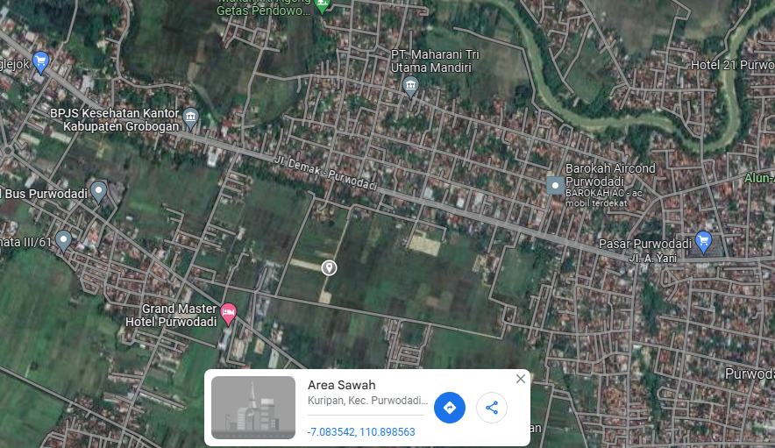

RS TRI MEDIKA KETAPANG

SLD
SINGLE LINE DIAGRAM LOKASI

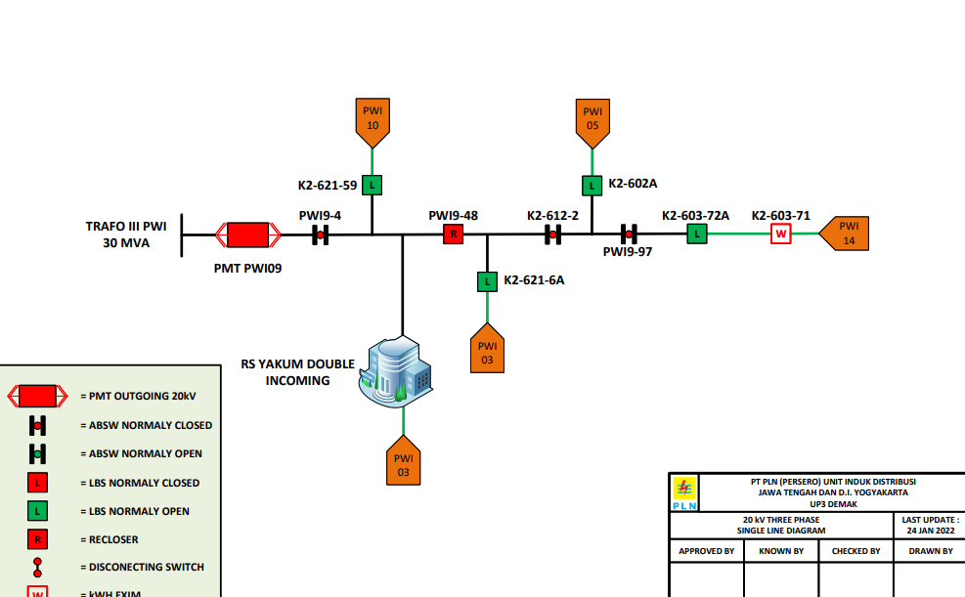

lokasi

